Pics
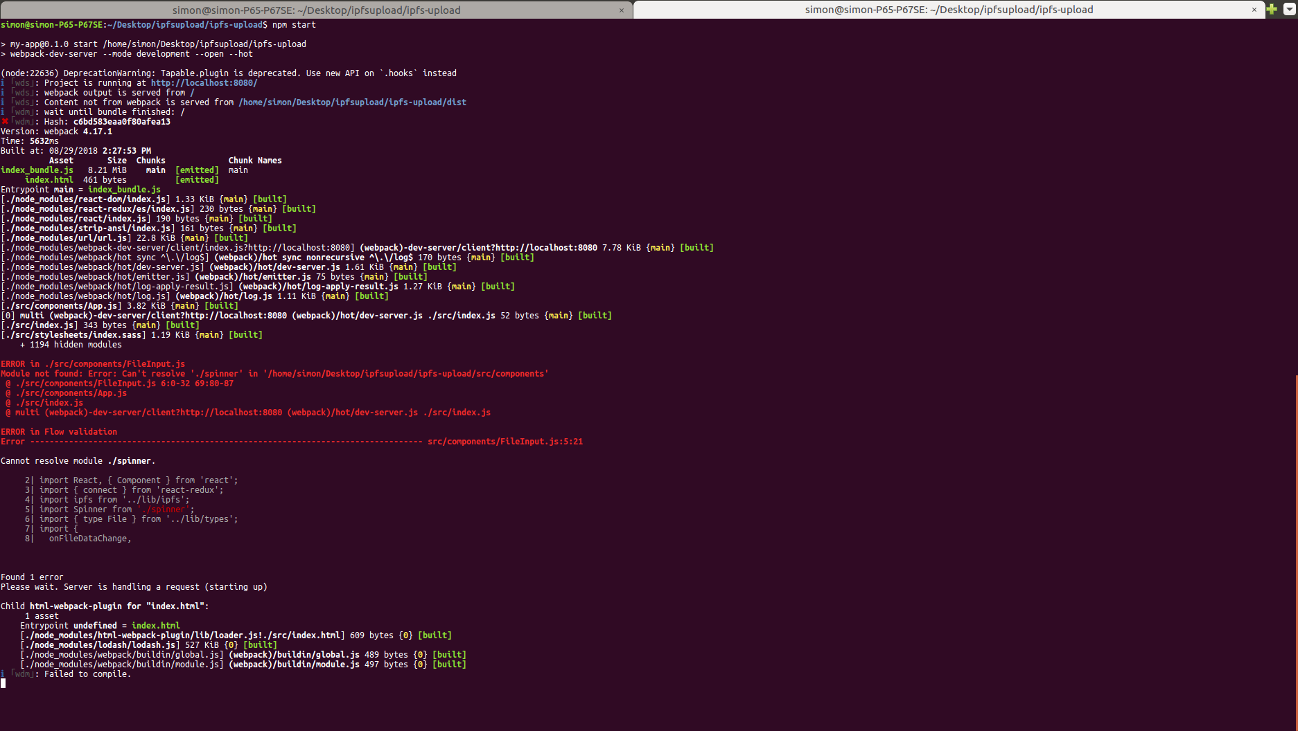

Dapp not loading | The error after I did npm start

